Sheet1
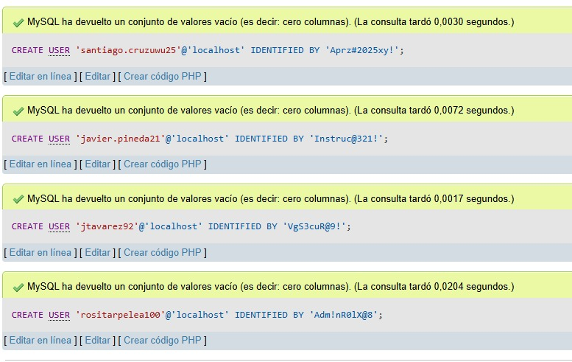
ACTORES | TABLAS | PRIVILEGIOS (PERMISOS) - CRUD | NOMBRE DE USUARIO | CONTRASEÑA | CODIGO MYSQL CREACIÓN USUARIO | CODIGO MYSQL ASIGNACION DE PERMISOS |  | PANTALLAZOCODIGO SQL CREACION USUARIOS
Aprendiz | Aprendiz | Read, Update | rositarpelea100 | Adm!nR01@8 | CREATE USER 'rositarpelea100'@'localhost' IDENTIFIED BY 'Adm!nR01@8'; | GRANT SELECT ON sena.aprendiz TO 'rositarpelea100'@'localhost'; FLUSH PRIVILEGES;
 | Asistencia | Read |  |  |  | GRANT SELECT, UPDATE ON sena.asistencia TO 'rositarpelea100'@'localhost'; FLUSH PRIVILEGES;
 | Incidente | Read |  |  |  | GRANT SELECT, UPDATE ON sena.incidente TO 'rositarpelea100'@'localhost'; FLUSH PRIVILEGES;
 | Programas | Read |  |  |  | GRANT SELECT ON sena.programas TO 'rositarpelea100'@'localhost'; FLUSH PRIVILEGES;
 | Jornada | Read |  |  |  | GRANT SELECT ON sena.jornada TO 'rositarpelea100'@'localhost'; FLUSH PRIVILEGES;
 | Modalidad | Read |  |  |  | GRANT SELECT ON sena.modalidad TO 'rositarpelea100'@'localhost'; FLUSH PRIVILEGES;
Vigilante Minuta | Registro minuta | Create, Read, Update | santiago.cruzuwu25 | Aprz#2025xy! | CREATE USER 'santiago.cruzuwu25'@'localhost' IDENTIFIED BY 'Aprz#2025xy!'; | GRANT CREATE, SELECT, UPDATE ON sena.registro_minuta TO 'santiago.cruzuwu25'@'localhost'; FLUSH PRIVILEGES;
 | Incidente | Read, Update |  |  |  | GRANT SELECT, UPDATE ON sena.incidente TO 'santiago.cruzuwu25'@'localhost'; FLUSH PRIVILEGES;
 | Ambiente | Read, Update |  |  |  | GRANT SELECT, UPDATE ON sena.ambiente TO 'santiago.cruzuwu25'@'localhost'; FLUSH PRIVILEGES; |  | VISUALIZACION DE PRIVILEGIOS POR USERS
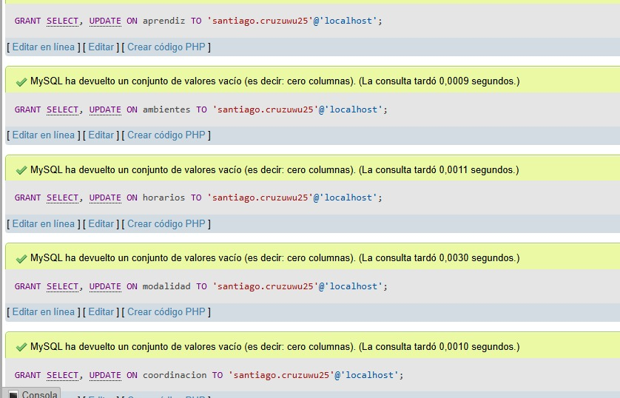
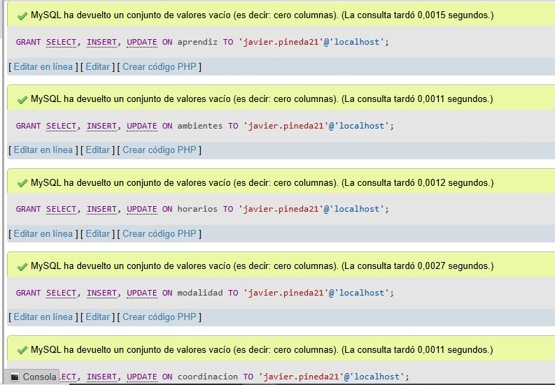
 | Recursos | Read |  |  |  | GRANT SELECT ON sena.recursos TO 'santiago.cruzuwu25'@'localhost'; FLUSH PRIVILEGES; | 1 |  | 2
Instructor | Aprendiz | Read | jtavarez92 | Vgs3cuR@9! | CREATE USER 'jtavarez92'@'localhost' IDENTIFIED BY 'Vgs3cuR@9!'; | GRANT SELECT ON sena.aprendiz TO 'jtavarez92'@'localhost'; FLUSH PRIVILEGES;
 | Ambiente | Read |  |  |  | GRANT SELECT, UPDATE ON sena.ambiente TO 'jtavarez92'@'localhost'; FLUSH PRIVILEGES;
 | Minutas | Read |  |  |  | GRANT SELECT ON sena.minutas TO 'jtavarez92'@'localhost'; FLUSH PRIVILEGES;
 | Incidente | Create, Read, Update |  |  |  | GRANT CREATE SELECT, UPDATE ON sena.incidente TO 'jtavarez92'@'localhost'; FLUSH PRIVILEGES;
 | Asistencia | Read, Update |  |  |  | GRANT SELECT, UPDATE ON sena.asistencia TO 'jtavarez92'@'localhost'; FLUSH PRIVILEGES;
 | Jornada | Read |  |  |  | GRANT SELECT ON sena.jornada TO 'jtavarez92'@'localhost'; FLUSH PRIVILEGES;
 | Recursos | Read |  |  |  | GRANT SELECT ON sena.recursos TO 'jtavarez92'@'localhost'; FLUSH PRIVILEGES;
Administrador | Acceso Total | Create, Read, Update, Delete | LuisJMarino | Vol1Bear_LJM | CREATE USER 'santiago.cruzuwu25'@'localhost' IDENTIFIED BY 'Vol1Bear_LJM';

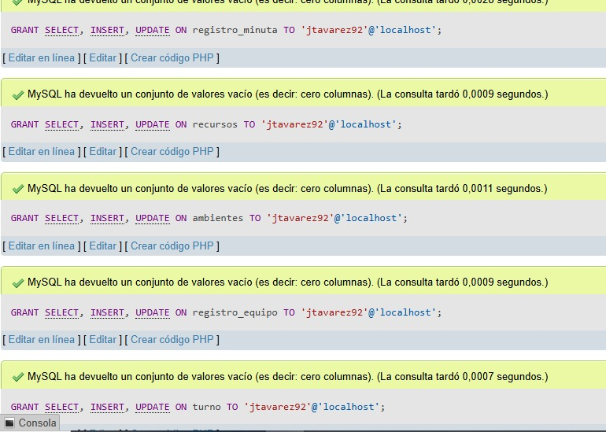
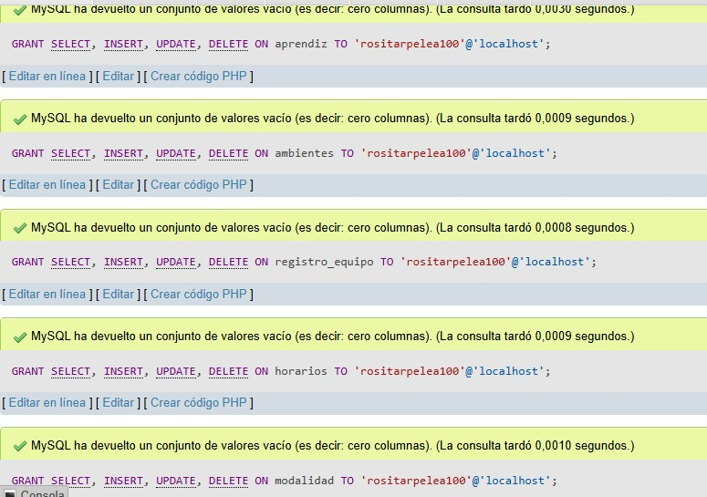
Coordinador | Aprendiz | Create, Read, Update | javier.pineda21 | Instruc@321! | CREATE USER 'javier.pineda21'@'localhost' IDENTIFIED BY 'Instruc@321!'; | GRANT CREATE,SELECT, UPDATE ON sena.aprendiz TO 'javier.pineda21'@'localhost'; FLUSH PRIVILEGES; | 3 |  | 4
 | Asistencia | Create, Read, Update |  |  |  | GRANT CREATE, SELECT, UPDATE ON sena.asistencia TO 'javier.pineda21'@'localhost'; FLUSH PRIVILEGES;
 | Programas | Create, Read, Update |  |  |  | GRANT CREATE, SELECT, UPDATE ON sena.programas TO 'javier.pineda21'@'localhost'; FLUSH PRIVILEGES;
 | Incidente | Create, Read, Update |  |  |  | GRANT CREATE, SELECT, UPDATE ON sena.incidente TO 'javier.pineda21'@'localhost'; FLUSH PRIVILEGES;
 | Minutas | Create, Read, Update |  |  |  | GRANT CREATE, SELECT, UPDATE ON sena.minutas TO 'javier.pineda21'@'localhost'; FLUSH PRIVILEGES;
 | Ambiente | Create, Read, Update |  |  |  | GRANT CREATE, SELECT, UPDATE ON sena.ambiente TO 'javier.pineda21'@'localhost'; FLUSH PRIVILEGES;
 | Recursos | Create, Read, Update |  |  |  | GRANT CREATE, SELECT, UPDATE ON sena.recursos TO 'javier.pineda21'@'localhost'; FLUSH PRIVILEGES;
 | Jornada | Create, Read, Update |  |  |  | GRANTCREATE, SELECT, UPDATE ON sena.jornada TO 'javier.pineda21'@'localhost'; FLUSH PRIVILEGES;
 | Modalidad | Create, Read, Update |  |  |  | GRANT CREATE, SELECT, UPDATE ON sena.modalidad TO 'javier.pineda21'@'localhost'; FLUSH PRIVILEGES;

